Chart 6.1
Chart 6.1: Funnel plots showing Mean door-to-needle time by first hospital (Mon-Fri 9-5). | return to List of Tables & Charts

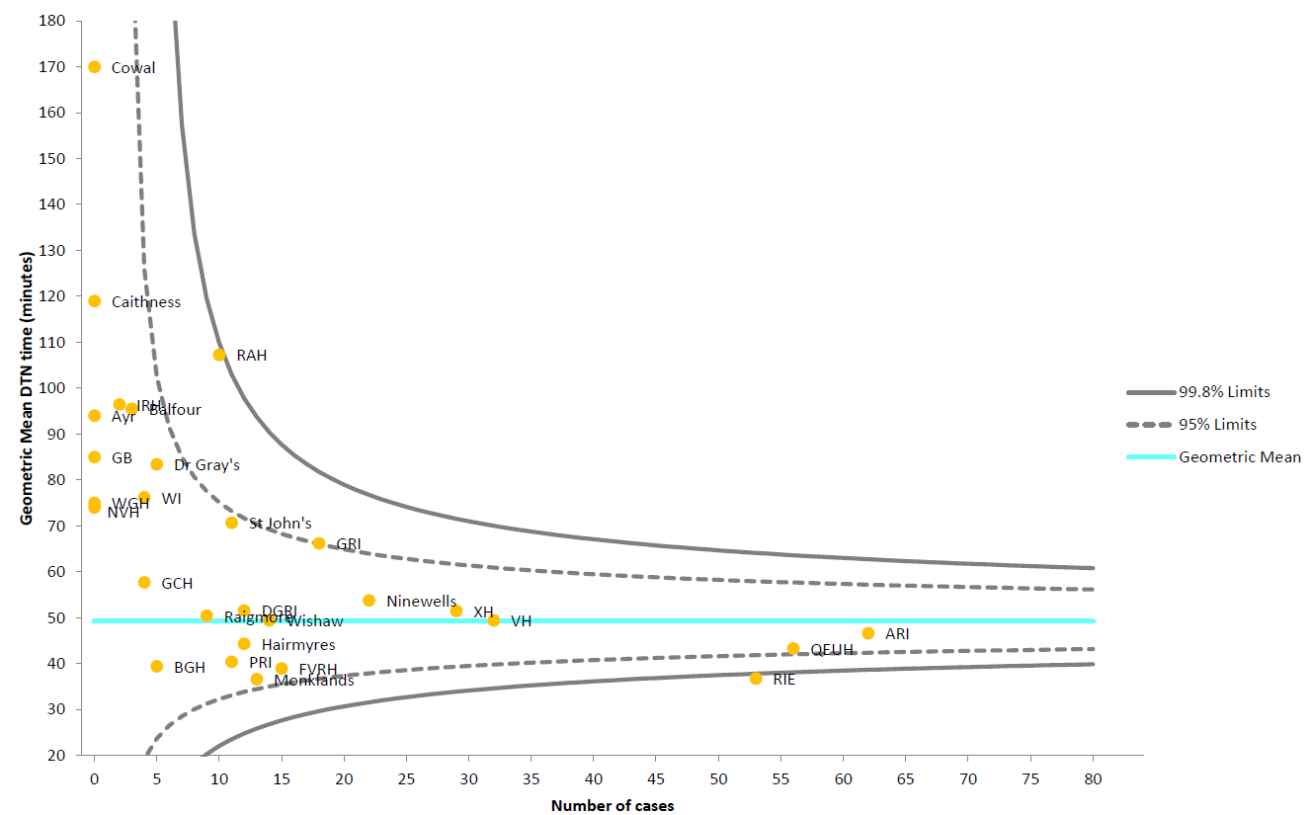

 | view Chart 6.1 data

Chart 6.2
Chart 6.2: Funnel plots showing Mean door-to-needle time by first hospital (Not Mon-Fri 9-5). | return to List of Tables & Charts

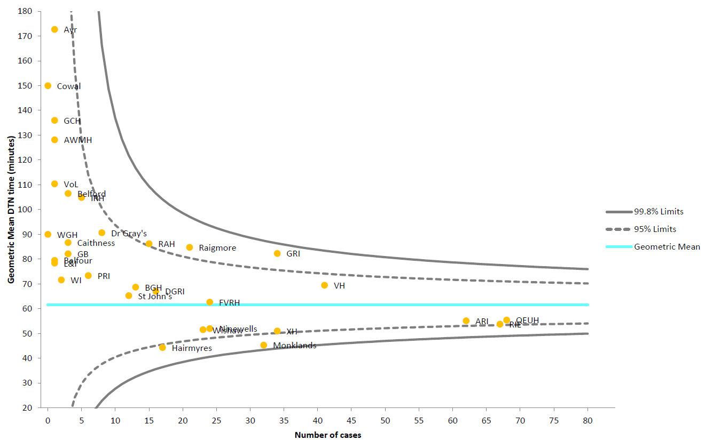

 | view Chart 6.2 data

Chart 6.3
Chart 6.3 Percentage of patients receiving thrombolysis within 30, 60 & 75 minutes of arrival at first hospital, 2018 data. |  |  |  |  |  |  |  |  |  | return to List of Tables & Charts

Note that the Scotland column in the chart is coloured green and red simply to differentiate it from the hospital columns and the colours are not indicative of performance. Light green corresponds to '>60<=75 mins', red corresponds to '>30<=60 mins' and dark green corresponds to 'Within 30 mins'.

scroll down for source data upon which chart is based

Notes regarding Charts 6.3:
1. Hospitals shown are those that provide a thrombolysis service. See Table 3.1 for further details. Records included must have date and time of arrival at first hospital and date and time of thrombolysis to permit the calculation of time to thrombolysis and a small proportion of records are missing these data items.
2. Some percentages are based on very small numbers (see numbers in brackets on axis) and should be interpreted with caution.
3. Some hospitals (e.g. QEUHG) receive a small number of patients transferred from neighbouring Health Boards which may affect their onset-to-needle time performance.
4. In some instances, data entered into eSSCA are assigned to admitting hospitals other than the main acute hospitals participating in the Scottish Stroke Care Audit. Data for these hospitals are combined with data for their respective main acute hospitals.
5. Some hospitals admitted ischaemic stroke patients for thrombolysis but did not thrombolyse any patients within the time spans included in this chart. These hospitals are included in the chart denominator but show as zero percent with regard to the time spans analysed.
6. A small proportion of records have thrombolysis date recorded but no thrombolysis time. These records are included in the denominator because the presence of a date indicates thrombolysis occurred. The absence of a thrombolysis time, however, prevents the calculation of door-to-needle time so these cases cannot be measured against the 30 or 60 minute standards and cannot be confirmed as having achieved it and are assumed not to have done so.

7. A small proportion of records may involve admission dates at the end of one year and thrombolysis dates at the beginning of the next year.
8. The thrombolysis figures may include a small number of thrombectomy cases, involving the physical removal of the clot from the blood vessel, because the data collection system, eSSCA, cannot always capture the complexity of the patient pathway for this intervention.
9. During 2017 NHS Dumfries & Galloway opened the New Dumfries & Galloway Royal Infirmary.

2018 |  | Percentage |  |  |  |  |  |  | (a) Within 30 mins |  | (b) >30<=60 mins* |  | (c) >60<=75 mins*
Chart Axis | Hospital | Within 30 mins | Within 60 mins | Within 75 mins | >30<=60 mins | >60<=75 mins | Stroke Standard | Stroke Standard | Numerator | Denominator | Numerator | Denominator | Numerator | Denominator
Scotland | NHSSCOTLAND | 14 | 60 | 70 | 47 | 10 | 50 | 80 | 138 | 1008 | 470 | 1008 | 96 | 1008 | Scotland (n=1008)
Monklands | Monklands Hospital | 15 | 85 | 94 | 70 | 9 | 50 | 80 | 7 | 47 | 33 | 47 | 4 | 47 | Monklands (n=47)
Hairmyres | Hairmyres Hospital | 13 | 84 | 90 | 71 | 6 | 50 | 80 | 4 | 31 | 22 | 31 | 2 | 31 | Hairmyres (n=31)
RIE | Royal Infirmary of Edinburgh | 25 | 79 | 89 | 54 | 11 | 50 | 80 | 30 | 121 | 65 | 121 | 13 | 121 | RIE (n=121)
Wishaw | Wishaw General Hospital | 8 | 79 | 84 | 71 | 5 | 50 | 80 | 3 | 38 | 27 | 38 | 2 | 38 | Wishaw (n=38)
Crosshouse | Crosshouse Hospital | 6 | 71 | 78 | 65 | 7 | 50 | 80 | 4 | 69 | 45 | 69 | 5 | 69 | Crosshouse (n=69)
FVRH | Forth Valley Royal Hospital | 20 | 66 | 76 | 46 | 10 | 50 | 80 | 8 | 41 | 19 | 41 | 4 | 41 | FVRH (n=41)
Ninewells | Ninewells Hospital | 4 | 67 | 76 | 63 | 8 | 50 | 80 | 2 | 49 | 31 | 49 | 4 | 49 | Ninewells (n=49)
ARI | Aberdeen Royal Infirmary | 19 | 65 | 73 | 46 | 9 | 50 | 80 | 24 | 127 | 58 | 127 | 11 | 127 | ARI (n=127)
VHK | Victoria Hospital Kirkcaldy | 15 | 55 | 71 | 40 | 16 | 50 | 80 | 11 | 75 | 30 | 75 | 12 | 75 | VHK (n=75)
DGRI | Dumfries & Galloway Royal Infirmary | 17 | 53 | 70 | 37 | 17 | 50 | 80 | 5 | 30 | 11 | 30 | 5 | 30 | DGRI (n=30)
PRI | Perth Royal Infirmary | 26 | 58 | 68 | 32 | 11 | 50 | 80 | 5 | 19 | 6 | 19 | 2 | 19 | PRI (n=19)
SJH | St John's Hospital | 4 | 54 | 63 | 50 | 8 | 50 | 80 | 1 | 24 | 12 | 24 | 2 | 24 | SJH (n=24)
GRI | Glasgow Royal Infirmary | 6 | 50 | 61 | 44 | 11 | 50 | 80 | 1 | 18 | 8 | 18 | 2 | 18 | GRI (n=18)
Borders | Borders General Hospital | 15 | 55 | 60 | 40 | 5 | 50 | 80 | 3 | 20 | 8 | 20 | 1 | 20 | Borders (n=20)
GCH | Galloway Community Hospital | 0 | 43 | 57 | 43 | 14 | 50 | 80 | 0 | 7 | 3 | 7 | 1 | 7 | GCH (n=7)
QUEH | Queen Elizabeth University Hospital | 13 | 49 | 57 | 36 | 8 | 50 | 80 | 27 | 207 | 75 | 207 | 16 | 207 | QUEH (n=207)
Western Isles | Western Isles Hospital | 0 | 44 | 56 | 44 | 11 | 50 | 80 | 0 | 9 | 4 | 9 | 1 | 9 | Western Isles (n=9)
L&I | Lorn & Islands Hospital | 0 | 50 | 50 | 50 | 0 | 50 | 80 | 0 | 2 | 1 | 2 | 0 | 2 | L&I (n=2)
WGH | Western General Hospital | 0 | 0 | 50 | 0 | 50 | 50 | 80 | 0 | 2 | 0 | 2 | 1 | 2 | WGH (n=2)
Raigmore | Raigmore Hospital | 9 | 34 | 44 | 25 | 9 | 50 | 80 | 3 | 32 | 8 | 32 | 3 | 32 | Raigmore (n=32)
Dr Grays | Dr Gray's Hospital | 0 | 20 | 33 | 20 | 13 | 50 | 80 | 0 | 15 | 3 | 15 | 2 | 15 | Dr Grays (n=15)
Balfour | Balfour Hospital | 0 | 17 | 33 | 17 | 17 | 50 | 80 | 0 | 6 | 1 | 6 | 1 | 6 | Balfour (n=6)
Caithness | Caithness General Hospital | 0 | 0 | 20 | 0 | 20 | 50 | 80 | 0 | 5 | 0 | 5 | 1 | 5 | Caithness (n=5)
Gilbert Bain | Gilbert Bain Hospital | 0 | 0 | 20 | 0 | 20 | 50 | 80 | 0 | 5 | 0 | 5 | 1 | 5 | Gilbert Bain (n=5)
Ayr | Ayr Hospital | 0 | 0 | 0 | 0 | 0 | 50 | 80 | 0 | 2 | 0 | 2 | 0 | 2 | Ayr (n=2)
Belford | Belford Hospital | 0 | 0 | 0 | 0 | 0 | 50 | 80 | 0 | 7 | 0 | 7 | 0 | 7 | Belford (n=7)

