Chart 4.1
Chart 4.1 Percentage of patients with definite cerebrovascular diagnosis seen in specialist stroke/ TIA clinic with referral to examination time within 4 days, 2017 and 2018 data. | return to List of Tables & Charts

Horizontal line reflects Scottish Stroke Care Standard (2013) of 80% of TIA patients being seen in specialist stroke/ TIA clinic within 4 days of receipt of referral.

 | 2017 (%) | 2018 (%) | Stroke Standard
Total | 82 | 81 | 80
WGH | 96 | 98 | 80
RIE | 91 | 93 | 80
Balfour | 88 | 93 | 80
Hairmyres | 91 | 93 | 80
DGRI | 84 | 91 | 80
Wishaw | 83 | 91 | 80
Crosshouse | 87 | 89 | 80
Monklands | 97 | 88 | 80
ARI | 79 | 86 | 80
Dr Grays | 83 | 86 | 80
VHK | 85 | 83 | 80
SJH | 75 | 79 | 80
PRI | 86 | 77 | 80
Ninewells | 73 | 75 | 80
Western Isles | 70 | 65 | 80
QMH | 74 | 62 | 80
Borders | 70 | 60 | 80
FVRH | 58 | 58 | 80
 | 2017 (%) | 2018 (%) | Stroke Standard (2013)
Total | 82 | 81 | 80
WGH | 96 | 98 | 80
RIE | 91 | 93 | 80
Balfour | 88 | 93 | 80
Hairmyres | 91 | 93 | 80
DGRI | 84 | 91 | 80
Wishaw | 83 | 91 | 80
Crosshouse | 87 | 89 | 80
Monklands | 97 | 88 | 80
ARI | 79 | 86 | 80
Dr Grays | 83 | 86 | 80
VHK | 85 | 83 | 80
SJH | 75 | 79 | 80
PRI | 86 | 77 | 80
Ninewells | 73 | 75 | 80
Western Isles | 70 | 65 | 80
QMH | 74 | 62 | 80
Borders | 70 | 60 | 80
FVRH | 58 | 58 | 80
Raigmore | 74 | 56 | 80
L&I | 71 | 54 | 80
 | view Chart 4.1 data

 |  | 2017 (%)
 |  | 2018 (%) - statistically significant improvement
 |  | 2018 (%) - no statistically significant change
 |  | 2018 (%) - statistically significant decline
 |  | Stroke Standard (2013)

Notes regarding Chart 4.1:
1. Data presented are for hospitals using eSSCA where all relevant dates (last event, referral, referral-received, appointment and examination) are present and ordered chronologically.
2. The following hospitals either do not hold specialist stroke/TIA clinics or do not collect and submit data to SSCA – Caithness, QEUH, WIG, GCH, Belford, GRI, IRH, VI Glasgow, RAH, Gilbert Bain and Uist & Barra. The omission of these data may affect the estimate of national performance based on those hospitals contributing to SSCA. Greater Glasgow & Clyde (GGC) started routine collection of outpatient data in eSSCA during 2018. GGC hospitals are omitted from Chart 4.1 because of the absence of a 2017 comparator.

3. For NHS Fife, the outpatient service for patients with suspected cerebrovascular conditions functions as a single service delivered across two sites, Queen Margaret Hospital and Victoria Hospital Kirkcaldy. Chart 4.2 separates the performance for these hospitals but they should be considered as a single NHS Fife service. The combined performance for 2017 and 2018 shows 81% and 74% respectively.

4. During 2017 NHS Dumfries & Galloway opened the New Dumfries & Galloway Royal Infirmary.

Chart 4.2
Chart 4.2 Percentage of patients with definite cerebrovascular diagnosis seen in specialist stroke/ TIA clinic with referral to examination time (days): same day and within 1, 2, 3 & 4 days, 2018 data. | return to List of Tables & Charts
Vertical line reflects Scottish Stroke Care Standard (2013) of 80% of TIA patients being seen in specialist stroke/ TIA clinic within 4 days of receipt of referral.

Note that the Scotland column in the chart is coloured green, amber, red and grey simply to differentiate it from the hospital columns and the colours are not indicative of performance. Dark green corresponds to 'Same Day', red corresponds to '1 Day', amber corresponds to '2 Days', light green corresponds to '3 Days' and grey corresponds to '4 Days'. The chart columns are ranked, by hospital, on the percentage within 4 days.

 | view Chart 4.2 data

 | Same Day |  | 1 Day |  | 2 Days |  | 3 Days |  | 4 Days |  | Stroke Standard (2013)
Total | 15 | Total | 24 | Total | 19 | Total | 13 | Total | 9 | 80 | 0
WGH | 33 | WGH | 21 | WGH | 18 | WGH | 21 | WGH | 4 | 80 | 1
RIE | 4 | RIE | 47 | RIE | 41 | RIE | 0 | RIE | 0 | 80 | 2
RAH | 21 | RAH | 7 | RAH | 3 | RAH | 41 | RAH | 21 | 80 | 3
Balfour | 43 | Balfour | 14 | Balfour | 21 | Balfour | 7 | Balfour | 7 | 80 | 4
Hairmyres | 1 | Hairmyres | 35 | Hairmyres | 27 | Hairmyres | 14 | Hairmyres | 15 | 80 | 5
DGRI | 11 | DGRI | 31 | DGRI | 29 | DGRI | 11 | DGRI | 8 | 80 | 6
Wishaw | 2 | Wishaw | 30 | Wishaw | 36 | Wishaw | 14 | Wishaw | 9 | 80 | 7
Crosshouse | 3 | Crosshouse | 34 | Crosshouse | 22 | Crosshouse | 19 | Crosshouse | 11 | 80 | 7
Monklands | 18 | Monklands | 32 | Monklands | 22 | Monklands | 13 | Monklands | 2 | 80 | 7
ARI | 35 | ARI | 21 | ARI | 13 | ARI | 10 | ARI | 7 | 80 | 7
Dr Grays | 67 | Dr Grays | 10 | Dr Grays | 0 | Dr Grays | 10 | Dr Grays | 0 | 80 | 7
Stobhill | 0 | Stobhill | 29 | Stobhill | 43 | Stobhill | 0 | Stobhill | 14 | 80 | 7
VHK | 35 | VHK | 19 | VHK | 17 | VHK | 10 | VHK | 1 | 80 | 8
SJH | 3 | SJH | 29 | SJH | 18 | SJH | 27 | SJH | 3 | 80 | 9
PRI | 2 | PRI | 27 | PRI | 19 | PRI | 16 | PRI | 13 | 80 | 10
GRI | 0 | GRI | 25 | GRI | 50 | GRI | 0 | GRI | 0 | 80 | 11
Ninewells | 1 | Ninewells | 22 | Ninewells | 23 | Ninewells | 16 | Ninewells | 13 | 80 | 12
VI Glasgow | 0 | VI Glasgow | 9 | VI Glasgow | 20 | VI Glasgow | 13 | VI Glasgow | 23 | 80 | 13
Western Isles | 0 | Western Isles | 12 | Western Isles | 18 | Western Isles | 6 | Western Isles | 29 | 80 | 14
QMH | 6 | QMH | 20 | QMH | 0 | QMH | 10 | QMH | 26 | 80 | 15
Borders | 1 | Borders | 11 | Borders | 24 | Borders | 13 | Borders | 11 | 80 | 16
FVRH | 16 | FVRH | 20 | FVRH | 11 | FVRH | 7 | FVRH | 4 | 80 | 17
Raigmore | 6 | Raigmore | 13 | Raigmore | 14 | Raigmore | 14 | Raigmore | 10 | 80 | 18
L&I | 21 | L&I | 3 | L&I | 9 | L&I | 10 | L&I | 10 | 80 | 19
QUEH | 1 | QUEH | 15 | QUEH | 13 | QUEH | 12 | QUEH | 9 | 80 | 20

Notes regarding Chart 4.2:
1. In some instances, data entered into eSSCA are assigned to admitting hospitals other than the main acute hospitals participating in the Scottish Stroke Care Audit. Data for these hospitals are combined with data for their respective main acute hospitals.
2. The following hospitals either do not hold specialist stroke/TIA clinics or do not collect and submit data to SSCA – Caithness, GCH, Belford, Gilbert Bain and Uist & Barra. The omission of these data may affect the estimate of national performance based on those hospitals contributing to SSCA. Greater Glasgow & Clyde (GGC) started routine collection of outpatient data in eSSCA during 2018.
3. During 2017 NHS Dumfries & Galloway opened the New Dumfries & Galloway Royal Infirmary.

Chart 4.3
Chart 4.3 Median waits since stroke event to points on the outpatient imaging timeline, 2017 and 2018 data. | return to List of Tables & Charts
There are instances where elements of the outpatient timeline share the same or similar data point and might not be visible. In these instances the most recent part of the timeline sits on top indicating that the elements have been delivered closely together.

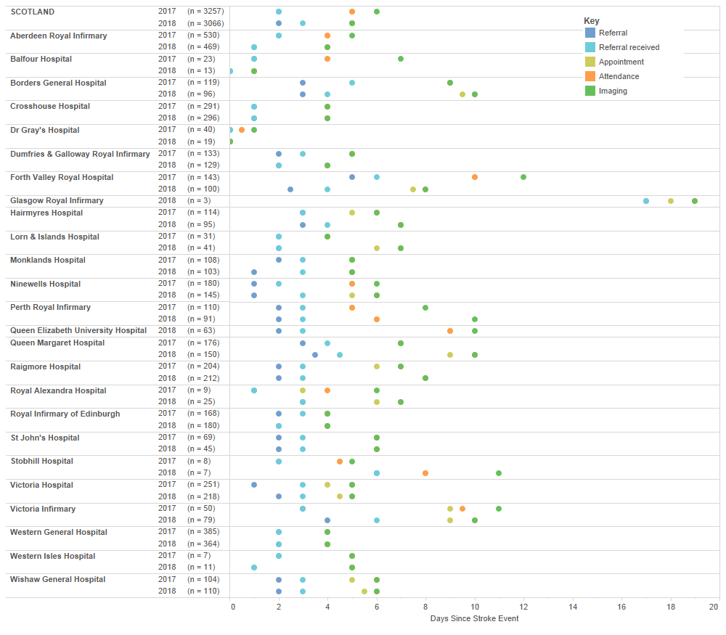

Notes regarding Chart 4.3:
1. In some instances, data entered into eSSCA are assigned to admitting hospitals other than the main acute hospitals participating in the Scottish Stroke Care Audit. Data for these hospitals are combined with data for their respective main acute hospitals.
2. The following hospitals either do not hold specialist stroke/TIA clinics or do not collect and submit data to SSCA – Belford, IRH, Gilbert Bain and Uist & Barra. The omission of these data may affect the estimate of national performance based on those hospitals contributing to SSCA.
3. The chart only includes events where all relevant dates (last event, event to referral, referral received, appointment, attendance and imaging) are present and ordered chronologically.

