Chart 6.1
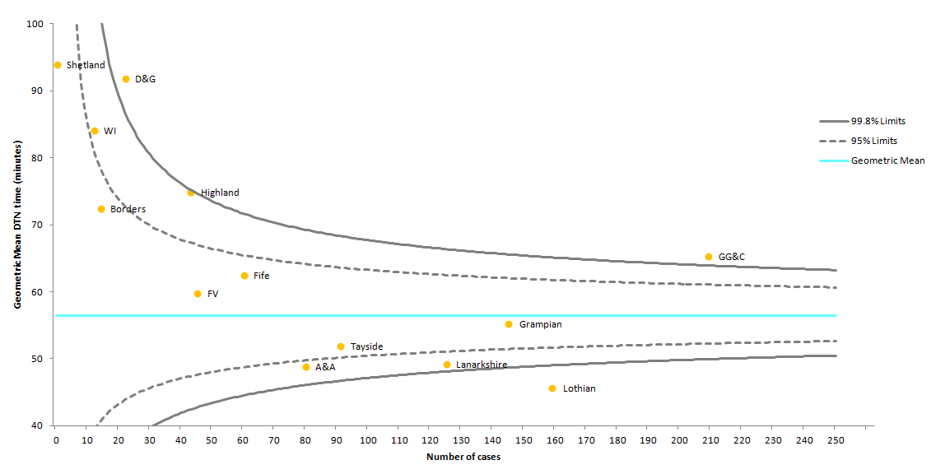
Chart 6.1 Mean door-to-needle time by NHS board. | return to List of Tables & Charts

 | view Chart 6.1 data

Chart 6.2
Chart 6.2 Percentage of patients receiving thrombolysis within 30, 60 & 75 minutes of arrival at first hospital, 2017 data. |  |  |  |  |  |  |  |  | return to List of Tables & Charts

Note that the Scotland column in the chart is coloured green and red simply to differentiate it from the hospital columns and the colours are not indicative of performance. Light green corresponds to '>60<=75 mins', red corresponds to '>30<=60 mins' and dark green corresponds to 'Within 30 mins'.

scroll down for source data upon which chart is based

Notes regarding Charts 6.2 and 6.3:
1. Hospitals shown are those that provide a thrombolysis service. See Table 3.2 for further details. Records included must have date and time of arrival at first hospital and date and time of thrombolysis to permit the calculation of time to thrombolysis and a small proportion of records are missing these data items.
2. Some percentages are based on very small numbers (see numbers in brackets on axis) and should be interpreted with caution.
3. Some hospitals (e.g. QEUHG) receive a small number of patients transferred from neighbouring Health Boards which may affect their onset-to-needle time performance.
4. In some instances, data entered into eSSCA are assigned to admitting hospitals other than the main acute hospitals participating in the Scottish Stroke Care Audit. Data for these hospitals are combined with data for their respective main acute hospitals.
5. Some hospitals admitted ischaemic stroke patients for thrombolysis but did not thrombolyse any patients within the time spans included in this chart. These hospitals are included in the chart denominator but show as zero percent with regard to the time spans analysed.
6. A small proportion of records have thrombolysis date recorded but no thrombolysis time. These records are included in the denominator because the presence of a date indicates thrombolysis occurred. The absence of a thrombolysis time, however, prevents the calculation of door-to-needle time so these cases cannot be measured against the 60 minute standard and cannot be confirmed as having achieved it and are assumed not to have done so. This is a slightly different approach from Chart 6.2 where inclusion in the chart requires both a thrombolysis date and thrombolysis time. As a result, the Chart 6.2 denominators, for individual hospitals, may be slightly higher than those in Chart 6.3.

7. A small proportion of records may involve admission dates at the end of one year and thrombolysis dates at the beginning of the next year.
8. The thrombolysis figures may include a small number of thrombectomy cases, involving the physical removal of the clot from the blood vessel, because the data collection system, eSSCA, cannot always capture the complexity of the patient pathway for this intervention. There are fewer than 10 thrombectomy cases recorded for each of 2015 and 2016.
9. During 2016, NHS Ayrshire & Arran reorganised its services for acute stroke patients, transferring to Crosshouse Hospital the services previously provided in Ayr Hospital.

2017 |  | Percentage |  |  |  |  |  | (a) Within 30 mins |  | (b) >30<=60 mins* |  | (c) >60<=75 mins*
Chart Axis | Hospital | Within 30 mins | Within 60 mins | Within 75 mins | >30<=60 mins | >60<=75 mins | Stroke Standard | Numerator | Denominator | Numerator | Denominator | Numerator | Denominator
Scotland | NHSSCOTLAND | 11 | 59 | 73 | 49 | 13 | 80 | 112 | 1029 | 500 | 1029 | 135 | 1029 | Scotland (n=1029)
Crosshouse | Crosshouse Hospital, Kilmarnock | 9 | 78 | 92 | 70 | 14 | 80 | 7 | 79 | 55 | 79 | 11 | 79 | Crosshouse (n=79)
Hairmyres | Hairmyres Hospital, East Kilbride | 9 | 82 | 91 | 74 | 9 | 80 | 3 | 34 | 25 | 34 | 3 | 34 | Hairmyres (n=34)
GRI | Glasgow Royal Infirmary (GRI) | 27 | 86 | 91 | 59 | 5 | 80 | 6 | 22 | 13 | 22 | 1 | 22 | GRI (n=22)
Monklands | Monklands Hospital, Coatbridge | 18 | 74 | 87 | 56 | 13 | 80 | 7 | 39 | 22 | 39 | 5 | 39 | Monklands (n=39)
Ninewells | Ninewells Hospital, Dundee | 5 | 76 | 85 | 71 | 8 | 80 | 3 | 59 | 42 | 59 | 5 | 59 | Ninewells (n=59)
Wishaw | Wishaw General Hospital | 8 | 78 | 84 | 71 | 6 | 80 | 4 | 51 | 36 | 51 | 3 | 51 | Wishaw (n=51)
RIE | Royal Infirmary of Edinburgh at Little France (RIE) | 29 | 71 | 82 | 41 | 11 | 80 | 36 | 123 | 51 | 123 | 14 | 123 | RIE (n=123)
PRI | Perth Royal Infirmary (PRI) | 6 | 58 | 82 | 52 | 24 | 80 | 2 | 33 | 17 | 33 | 8 | 33 | PRI (n=33)
SJH | St John's Hospital, Livingston (SJH) | 18 | 62 | 76 | 44 | 15 | 80 | 6 | 34 | 15 | 34 | 5 | 34 | SJH (n=34)
ARI | Aberdeen Royal Infirmary (ARI) | 20 | 63 | 76 | 42 | 14 | 80 | 25 | 123 | 52 | 123 | 17 | 123 | ARI (n=123)
FVRH | Forth Valley Royal Hospital, Larbert (FVRH) | 2 | 54 | 72 | 52 | 17 | 80 | 1 | 46 | 24 | 46 | 8 | 46 | FVRH (n=46)
VHK | Victoria Hospital, Kirkcaldy (VHK) | 5 | 52 | 65 | 47 | 13 | 80 | 3 | 60 | 28 | 60 | 8 | 60 | VHK (n=60)
Dr Grays | Dr Gray's Hospital, Elgin | 4 | 38 | 62 | 35 | 23 | 80 | 1 | 26 | 9 | 26 | 6 | 26 | Dr Grays (n=26)
L&I | Lorn & Islands Hospital, Oban | 0 | 40 | 60 | 40 | 20 | 80 | 0 | 5 | 2 | 5 | 1 | 5 | L&I (n=5)
QEUH | Queen Elizabeth University Hospital (QEUH) | 4 | 44 | 56 | 40 | 12 | 80 | 7 | 198 | 80 | 198 | 24 | 198 | QEUH (n=198)
Raigmore | Raigmore Hospital, Inverness | 4 | 40 | 56 | 36 | 16 | 80 | 1 | 25 | 9 | 25 | 4 | 25 | Raigmore (n=25)
Borders | Borders General Hospital, Melrose | 0 | 40 | 53 | 40 | 13 | 80 | 0 | 15 | 6 | 15 | 2 | 15 | Borders (n=15)
Belford | Belford Hospital, Fort William | 0 | 17 | 50 | 17 | 33 | 80 | 0 | 6 | 1 | 6 | 2 | 6 | Belford (n=6)
Caithness | Caithness General Hospital, Wick | 0 | 10 | 50 | 10 | 40 | 80 | 0 | 10 | 1 | 10 | 4 | 10 | Caithness (n=10)
Western Isles | Western Isles Hospital (WIH) | 0 | 33 | 50 | 33 | 17 | 80 | 0 | 12 | 4 | 12 | 2 | 12 | Western Isles (n=12)
DGRI | Dumfries & Galloway Royal Infirmary (DGRI) | 0 | 35 | 47 | 35 | 12 | 80 | 0 | 17 | 6 | 17 | 2 | 17 | DGRI (n=17)
WGH | Western General Hospital, Edinburgh (WGH) | 0 | 33 | 33 | 33 | 0 | 80 | 0 | 3 | 1 | 3 | 0 | 3 | WGH (n=3)
GCH | Galloway Community Hospital (GCH) | 0 | 17 | 17 | 17 | 0 | 80 | 0 | 6 | 1 | 6 | 0 | 6 | GCH (n=6)
Ayr | Ayr Hospital | 0 | 0 | 0 | 0 | 0 | 80 | 0 | 1 | 0 | 1 | 0 | 1 | Ayr (n=1)
RAH | Royal Alexandra Hospital, Paisley (RAH) | 0 | 0 | 0 | 0 | 0 | 80 | 0 | 1 | 0 | 1 | 0 | 1 | RAH (n=1)
Gilbert Bain | Gilbert Bain Hospital, Shetland | 0 | 0 | 0 | 0 | 0 | 80 | 0 | 1 | 0 | 1 | 0 | 1 | Gilbert Bain (n=1)
Balfour | Balfour Hospital, Orkney | - | - | - | #VALUE! | #VALUE! | 80 | 0 | 0 | 0 | 0 | 0 | 0 | Balfour (n=0)

Chart 6.3
Chart 6.3 Percentage of patients with door-to-needle times for thrombolysis within 1 hour, 2016 and 2017 data. |  | return to List of Tables & Charts

Horizontal lines reflect Scottish Stroke Care Standards (2016) of 80% of stroke patients thrombolysed within 1 hour of arrival at first hospital .
Note that the Scotland columns in the chart are coloured light green and dark green simply to differentiate them from the hospital columns and the colours are not indicative of performance. Light green corresponds to '2016' and dark green corresponds to '2017'.
 | view Chart 6.3 data
 | 2016 (%) | 2017 (%) | Stroke Standard (2016)(60 mins)
Scotland (n=1029) | 55 | 59 | 80
GRI (n=22) | 50 | 86 | 80
Hairmyres (n=34) | 67 | 82 | 80
Crosshouse (n=79) | 71 | 78 | 80
Wishaw (n=51) | 68 | 78 | 80
Ninewells (n=59) | 79 | 76 | 80
Monklands (n=39) | 68 | 74 | 80
RIE (n=123) | 76 | 71 | 80
ARI (n=123) | 66 | 63 | 80
SJH (n=34) | 56 | 62 | 80
PRI (n=33) | 46 | 58 | 80
FVRH (n=46) | 48 | 54 | 80
VHK (n=60) | 60 | 52 | 80
QEUH (n=198) | 35 | 44 | 80
Raigmore (n=25) | 50 | 40 | 80
L&I (n=5) | 33 | 40 | 80
Borders (n=15) | 25 | 40 | 80
Dr Grays 5 (n=26) | 30 | 38 | 80
DGRI 5 (n=17) | 56 | 35 | 80
Western Isles (n=12) | 67 | 33 | 80
WGH (n=3) | 0 | 33 | 80
Belford (n=6) | 0 | 17 | 80
GCH (n=6) | 0 | 17 | 80
Caithness (n=10) | 20 | 10 | 80
Gilbert Bain 5 (n=1) | 0 | 0 | 80
RAH 5 (n=1) | 0 | 0 | 80
Ayr 5 (n=1) | 0 | 0 | 80
Balfour 5 (n=0) | 0 | 0 | 80

For notes regarding Chart 6.3 please see notes regarding Chart 6.2.
1. Hospitals shown are those that provide a thrombolysis service. See Table 5 for further details. Records included must have date and time of arrival at first hospital and date and time of thrombolysis to permit the calculation of time to thrombolysis and a small proportion of records are missing these data items.
2. Some percentages are based on very small numbers (see numbers in brackets on axis) and should be interpreted with caution.
3. Some hospitals (e.g. Southern General Hospital) receive a small number of patients transferred from neighbouring Health Boards which may affect their onset-to-needle time performance.
4. Some hospitals admitted ischaemic stroke patients for thrombolysis but did not thrombolyse any patients within 1 hour. These hospitals are included in the chart denominator but show as zero percent with regard to the Scottish Stroke Care Standard for thrombolysis.
5. A small proportion of records have thrombolysis date recorded but no thrombolysis time. These records are included in the denominator because the presence of a date indicates thrombolysis occurred. The absence of a thrombolysis time, however, prevents the calculation of door-to-needle time so these cases cannot be measured against the 60 minute standard and cannot be confirmed as having achieved it and are assumed not to have done so. This is a slightly different approach from Chart 11 where inclusion in the chart requires both a thrombolysis date and thrombolysis time. As a result, the Chart 9 and Chart 10 denominators, for individual hospitals, may be slightly higher than those in Chart 11.

